Info
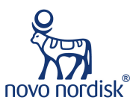
Orange book kan brukes for å søke opp patenter

ADA: American Diabetes Association
 | Guidance 2025:
 | Revenue y/y: | 8-14%
GLP-1: | EBIT y/y: | 10-16%
Dette er medisiner som etterligner kroppens eget GLP-1 hormon:
Øker insulinutskillelse når blodsukkeret er høyt
Senker appetitten
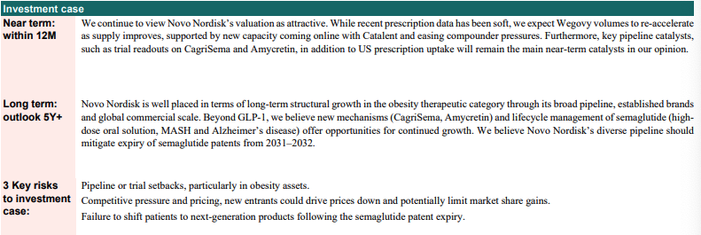
Produktene her:
Ozempic: Brukes primært mot type 2-diabetes, men også kjent for å gi vekttap som bieffekt
Victoza: Også en GLP-1 medisin mot type 2, men en litt eldre versjon
Rybelsus: Dette er en tablettversjon av semaglutid

Insulin:
Dette er tradisjonelle insulinprodukter for folk med diabetes
Long-acting insulin: Gir en jevn insulinfrigjøring hele døgnet (Levemir, Tresiba)
Premix insulin: Blanding av rask- og langtidsvirkende insulin i en sprøyte, for enklere behandling
Fast-acting insulin: tas rett før måltider for å håndtere blodsukkerstigningen som skjer når dub spsier
Human insulin: Insulin som er identisk med det naturlige menneskeinsulinet, brukt før de nyere insulin-typene

Obesity care:
Her handler alt om fedmebehandling, altså medisiner laget for vekttap

Produktene her:
Wegovy: Brukes spesifikt for fedmebehanling - inneholder semaglutid
Saxenda: Et eldre vekttapsmiddel basert på et annet GLP-1 hormon (liraglutid)

Press release:
29.07.25: NOVO nedjustering sin 25 guidance og ansetter Maziar Mike Doustdar som ny CEO (intern). Nedjusteringen er grunnet laverer enn forventet Wegovy salg i USA, lavere vekst for Ozempic og lavere penetrasjon for Wgovy i IO markeder
08.07.25: Novo sender inn ny Wegovy-dose til EMA for godkjenning hvor 1 av 3 pasienter oppnår 25% eller mer vekttap
21.06.25: Publiserer Amycretin data på ADA, Se infoside
12.06.25: Novo fortsetter med injectable og oral Amycretin for weightmanagement til fase 3
10.06.25: Novo skal presentere en sterk portefølje data med nye smaglutide og CagriSema resultater på ADA
16.05.25: Lars Fruergaard Jørgensen går av som CEO
14.05.25: Septerna og NOVo starter samarbeid innenfor oral molecule medicines for obesity and other cardiometabolic diseases
29.03.25: Rybelsus demonstrates superior reduction in cardiovascular events in SOUL-trial at ACC 2025
10.03.25: CagriSema demonstrates supiror weight loss in adults with obesity or overweight and type 2 diabetes in the REDEFINE 2 trial. CagriSema nådde et vektap på 15,7% (Falt 7% intradag)
24.01.25: Successfully completes phase 1b/2a trial with subcutaneous amycretin in people with overweight or obesity
20.12.24: CagriSema demonstrates superior weight loss in adults eith obesity or overweight in the REDEFINE 1 trial. CagriSema nådde et vekttap på 22,7% mot ventet 25% etter 68 uker (Falt 20% på meldingen)
18.12.24: Novo har fullført kjøpe av Catalant som innebærer tre fabrikker fra Novo Holdings
16.12.24: Novo invetster 8,5 mrd DKK i en ny fabrikk i Odense, Danmark.
24.06.24: Novo investerer 4,1 mrd USD for å øke sin produksjonskapasitet i USA.
05.02.24: Novo Nordisk to acquire three fill-finish sites from Novo holdings basert på oppkjøpet av catalant. Oppkjøpet er forventet å øke Novo sin produskjon fra 26 og utover. Fabrikkene ligger i Italia, Belgia og Indiana (US)

Wegovy
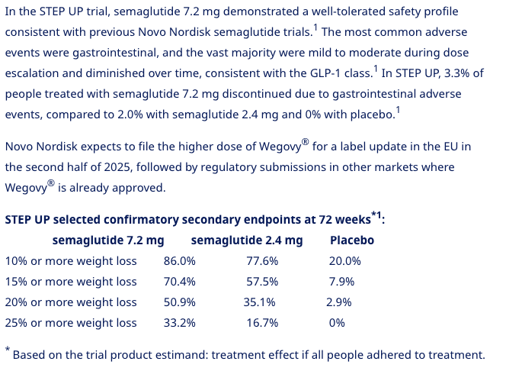
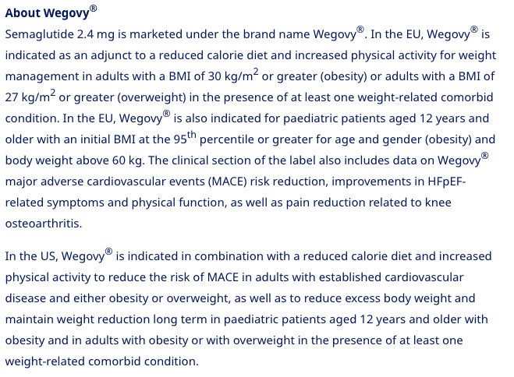
Info
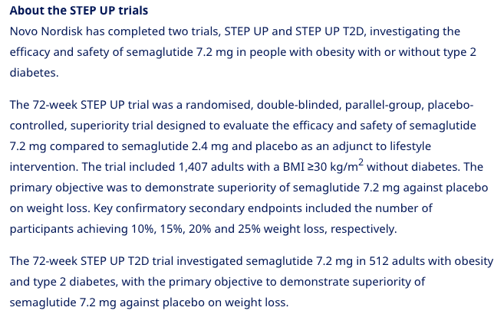
 |  |  | Brand | Wegovy, fka NN9535
 |  |  | Generic | semaglutide
 |  |  | Administration | subcutaneous once-weekly
 |  |  | Dosage | 0.25mg, 0.5mg, 1.0mg, 1.7mg, 2.4mg
 |  |  | Indication | Obesity, CVOT in overweight/obese with established CV disease
 |  |  | MOA | GLP-1 agonist
 |  |  | Approval | 6/24/2021 FDA
 |  |  |  | 3/2023 Japan
 |  |  |  | 6/2024: China
 |  |  |  | 15 countries in International as of Q324
 |  |  |  | 9/2024: EU label update receives positive CHMP opinion on STEP-HFpEF and STEP-HFpEF-DM
 |  |  | IP | Q124: ANDA filed
 |  |  | Manufacturing | Second CM in April 2023.
 |  |  | Clinical Trials
 |  |  |  | Phase III "SELECT" CVOT
 |  |  |  | 2.4mg subcut reduced MACE by 20%
 |  |  |  | Positive CHMP opinion

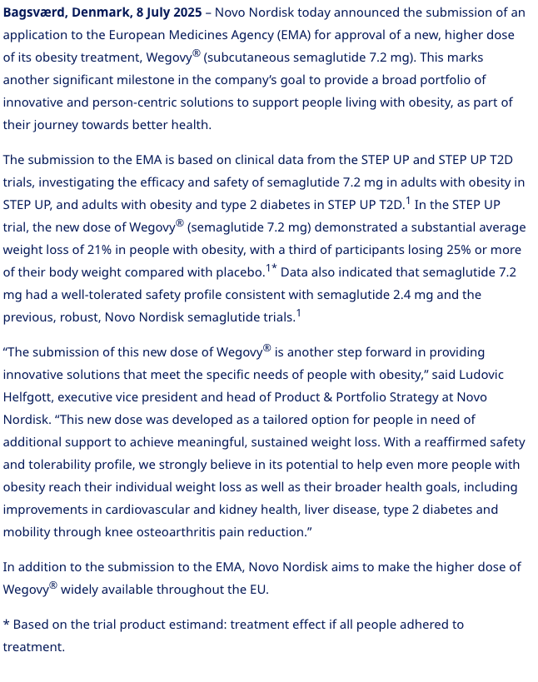
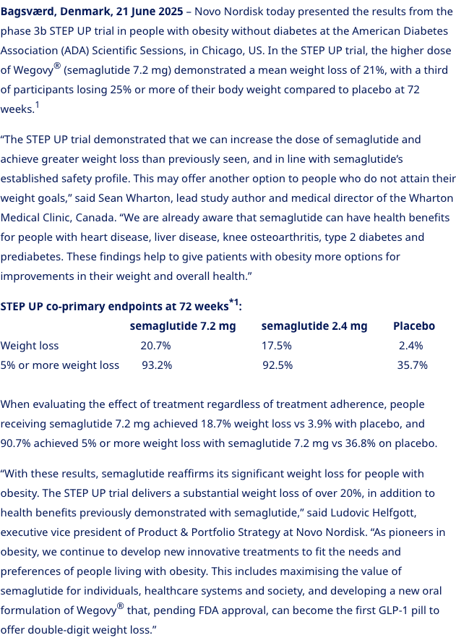
29.07.25: (dunka ned 23%) | 08.07.25: | 21.06.25:
 |  |  |  | Phase III "STEP" 52-week trial n=616 HFpEF, obesity, T2D
 |  |  |  | Dosage: 2.4mg qw
 |  |  |  | November 2023 results: KCCQ 16.6 vs 8.7 for placebo
 |  |  |  | -13.3% weight loss vs. -2.6% for placebo
 |  |  |  | submitted results 1/24 in EU+US, will resubmit in US in 2025 with FLOW data

 |  |  |  | Phase III "STEP 9" n=407 obesity in knee OA - 68-weeks
 |  |  |  | Dosing: 2.4mg qw
 |  |  |  | met WOMAC and weight loss primary endpoints

Rybelsus
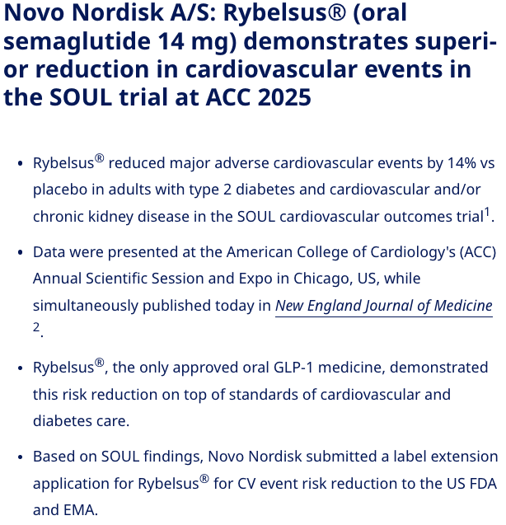
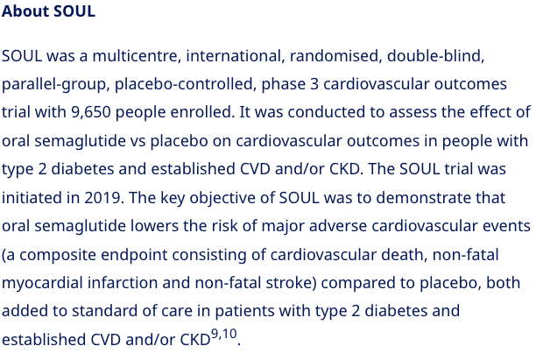
Info

 | 29.03.25:

Cagrisema
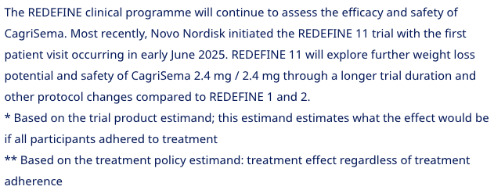
Info
 |  |  | Målet er å nå et vekttap på mer enn 25% for CagriSema

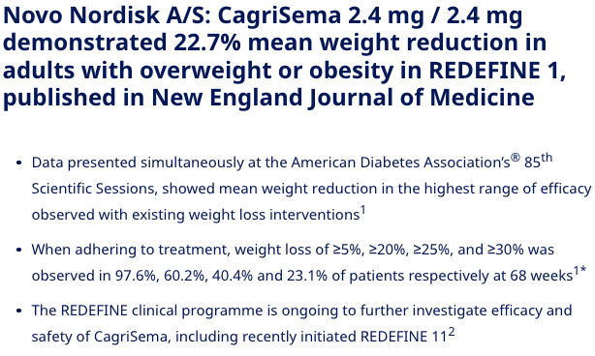
 | 22.06.25: | 2025-03-10 |  | 20.12.24: Her falt Novo 20%
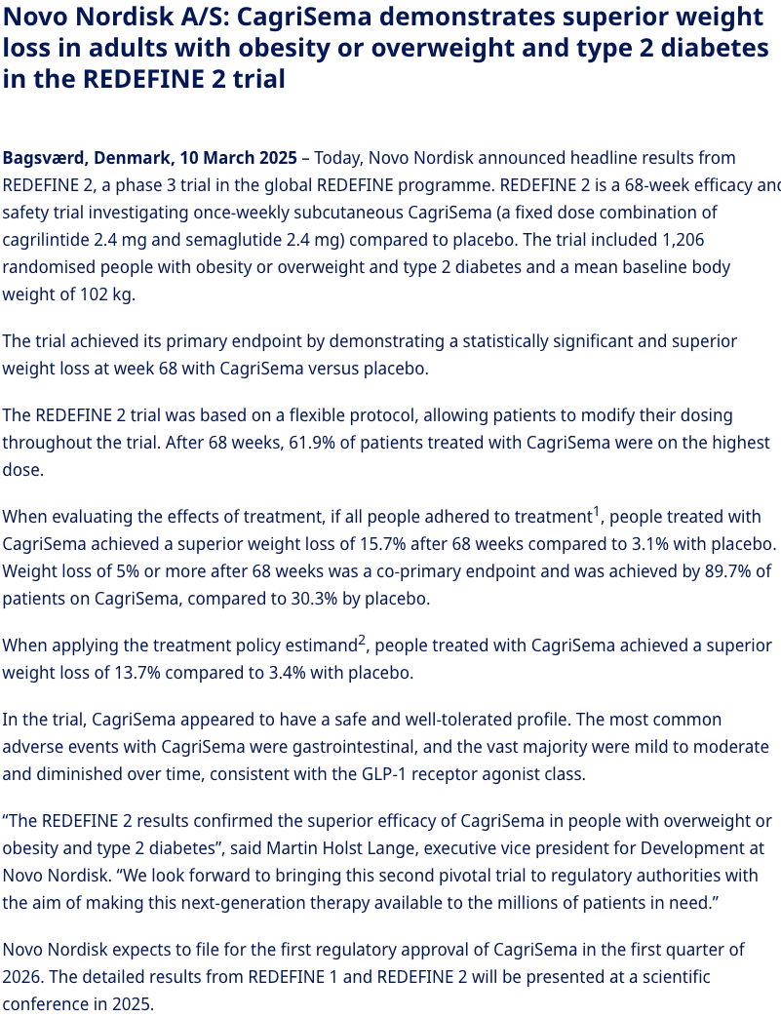
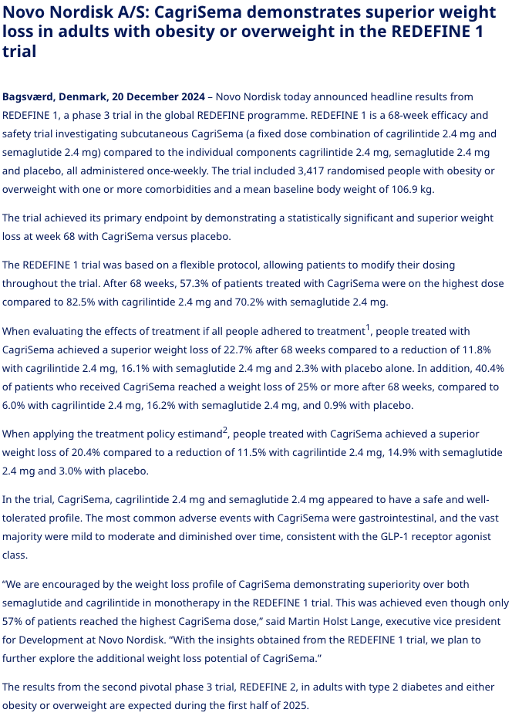

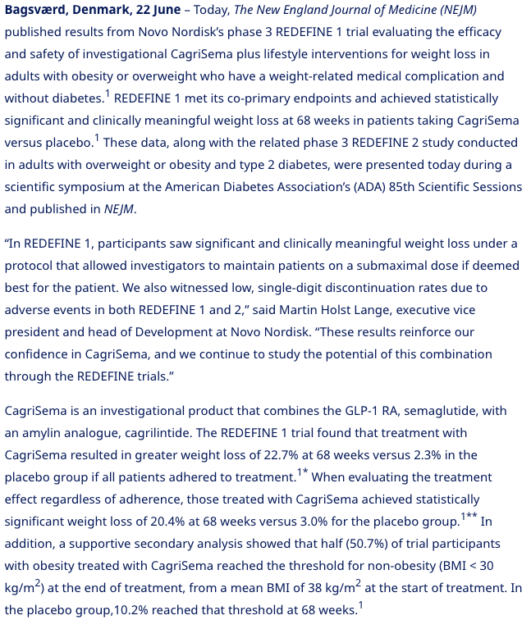

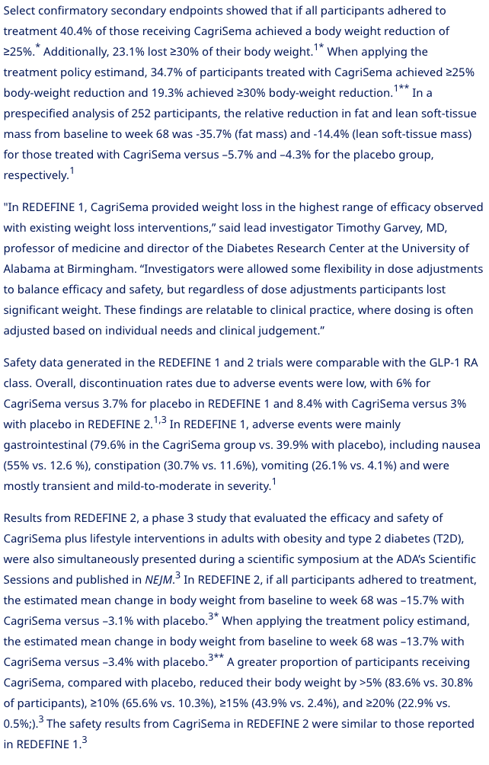

 |  | Halvparten i testgruppen opplevde svimmelhet og 25% opplevde oppkast

Amycretin
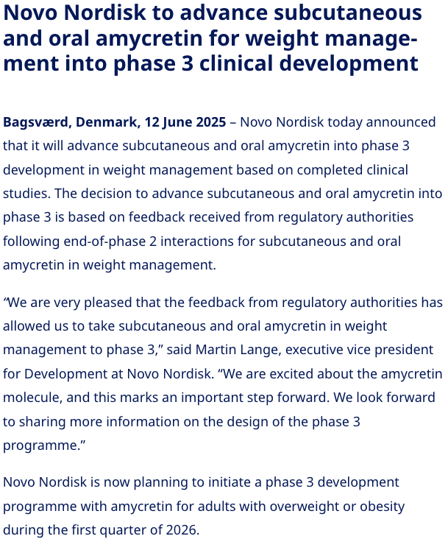
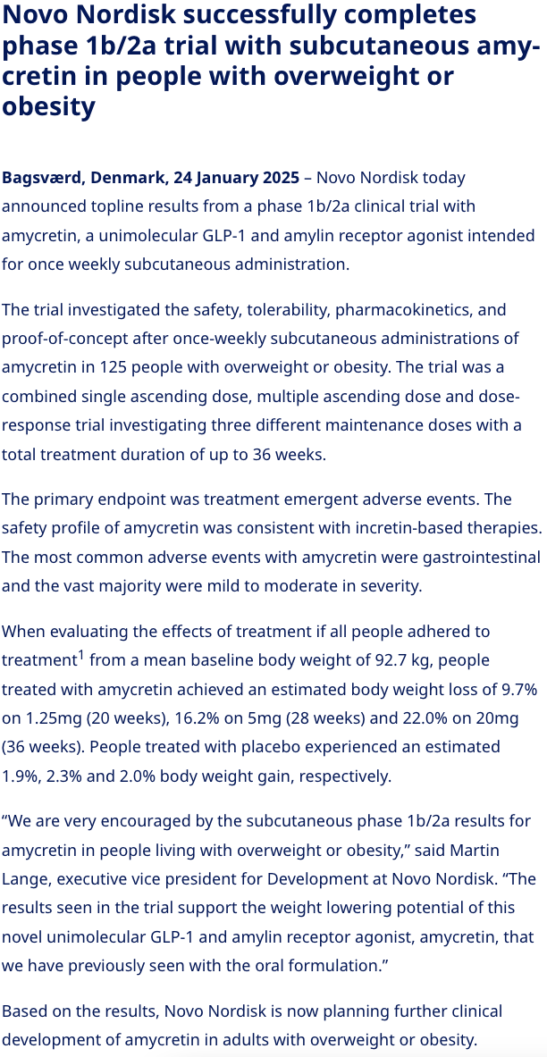
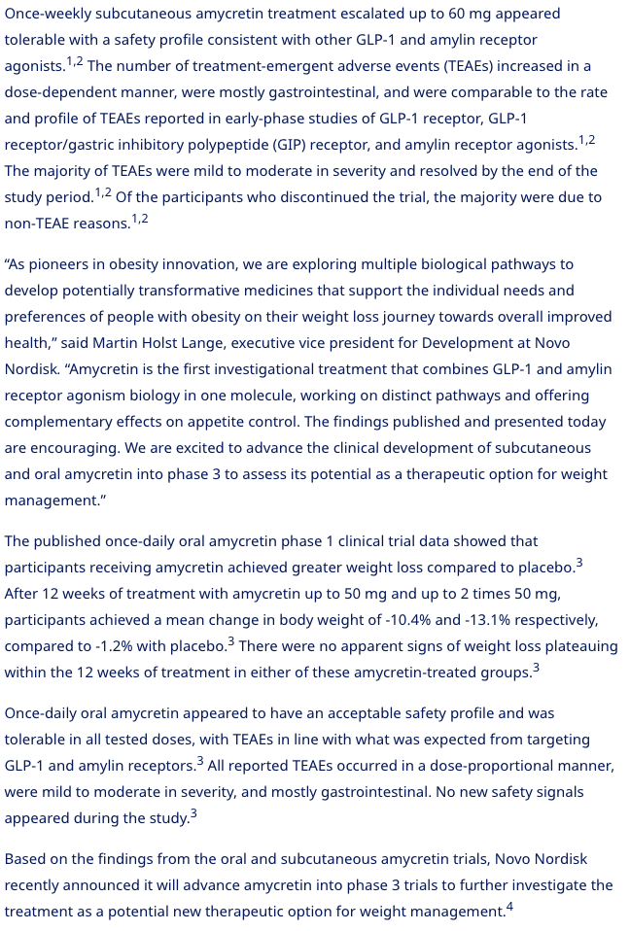
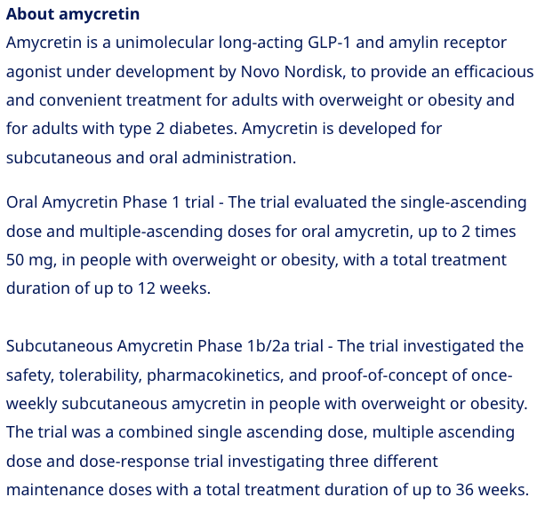
Info

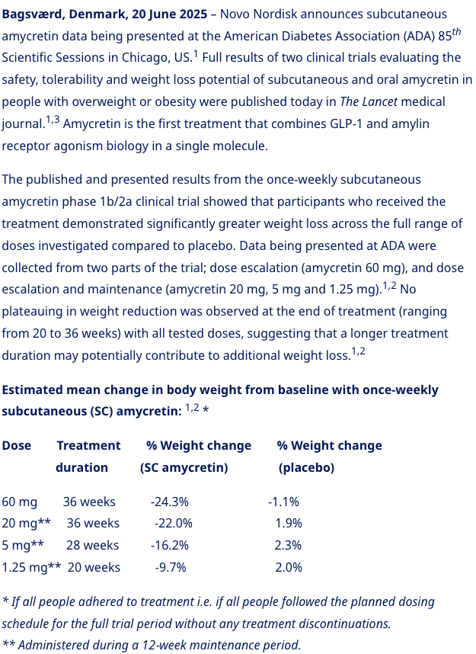
21.06.25: | 12.06.25: | 24.01.25:

